1. Title Page

Instacart
Grocery Basket
Analysis

Project Name: Instacart Grocery Basket Analysis
Date: October 2021
Analyst Name: Marie Jacobsson

Contents:
Population Flow
Consistency checks
Wrangling steps
Column derivations
Visualizations
Recommendations

Background:
Instacart is an online grocery store that operates through an app.
Instacart already has very good sales, but they want to uncover more information about their sales patterns.

Key questions from Instacart stakeholders:
● The sales team needs to know what the busiest days of the week and hours of the day are
(i.e., the days and times with the most orders) in order to schedule ads at times when there are fewer orders.
● They also want to know whether there are particular times of the day when people spend the most money,
as this might inform the type of products they advertise at these times.
● Instacart has a lot of products with different price tags. Marketing and sales want to use
simpler price range groupings to help direct their efforts.
● Are there certain types of products that are more popular than others? The marketing
and sales teams want to know which departments have the highest frequency of product
orders.
● The marketing and sales teams are particularly interested in the different types of
customers in their system and how their ordering behaviors differ. For example:
‣ What’s the distribution among users in regards to their brand loyalty (i.e., how
often do they return to Instacart)?
‣ Are there differences in ordering habits based on a customer’s loyalty status?
‣ Are there differences in ordering habits based on a customer’s region?
‣ Is there a connection between age and family status in terms of ordering habits?

Data:
Instacart Data Sets:
● Customers Data Set
● Data Dictionary
● Citation “The Instacart Online Grocery Shopping Dataset
2017”, Accessed from https://www.instacart.com/datasets/grocery-shopping-2017 on <date>.

2. Population Flow
Instacart | Title page

Population flow

Exclusion flag
Condition: max_order <
Obervations to be removed:
Final total count of order_products_all:

Orders_products_combined
Orders_products_merged
Orders_products_all

Total: 32 435 059
Total: 32 434 489
Total: 30 993 489

1.) The grey boxes in the first row of the population flow represent the original data sets as they were when you downloaded them. In the Total fields you need to add the count of the rows when you imported the data set into Jupyter.
2.) The second row of boxes (coloured) represents the data sets after you manipulated them, e.g., removed missing values and duplicates. In the Total fields you need to add the count of the rows after conducting these operations. This offers a visual oveview of how the data flows throughout the data consistency checks.
3.) The third row, where also the arrows are coloured, represents the merges you performed between the datasets. In the Total fields you need to add the count of the rows in the merged datasets, so that you end up with the final dataset (in the red box). Keep in mind the final dataset should be without exclusions (based on the exclusion flag).

3. Consistency checks
Instacart |  |  |  |  | Title page
Consistency checks

Dataset | Missing values | Missing values treatment | Duplicates | Other
orders_wrangled | 206209, in column "days_since_prior_order" | None, nothing wrong. It is first-time-orders. | 0 duplicates
products | 16, in column "product_name" | Removed missing values | 5 duplicates, treatment: removed
orders_products_prior | 0 |  | 0
customers | 0 |  | 0
orders_wrangled |  |  |  | turned outliners to NaN (all prices >100 in column "prices"

4. Wrangling steps
Instacart |  |  |  |  | Title page
Wrangling steps

Dataset | Columns dropped | Columns renamed | Columns' type changed | Comment/Reason
orders | eval_set |  |  | not relevant for the analysis
orders |  | orders_dow to orders_day_of_week |  | to make the column more understandable
orders |  |  | order_id to string | not to be include in descriptive analysis
orders |  |  | user_id to string | not to be include in descriptive analysis
orders |  |  | order_number to string | not to be include in descriptive analysis
orders |  | days_since_prior_order to days_since_last_order |  | just to have something to change (practice)
customers |  | First Name to first_name |  | rename column to the same format as the other columns
customers |  | Surnam to last_name |  | rename column to the same format as the other columns
customers |  | Gender to gender |  | rename column to the same format as the other columns
customers |  | STATE to state |  | rename column to the same format as the other columns
customers |  | Age to age |  | rename column to the same format as the other columns
customers | first_name and last_name |  |  | regarding PII
orders_products_new | Unnammed:0_x |  |  | not relevant for the analysis
orders_products_new | Unnamed: 0.1_x |  |  | not relevant for the analysis
customers |  | first_name to string |  | mixed data-types. And names are string.

5. Column derivations
Instacart |  |  |  | Title page

Column derivations and aggregations

In this tab you should add tables below that the frequences of flags/label variables that you produced after deriving them. NB: don't do this for continuous variables, only for flags.
Dataset | New column | Column/s it was derived from | Conditions
orders_products_merged | busiest_days | orders_day_of_week | "Two busiest days" = 0 (Saturday) + 1 (Sundays) . "Two slowest days" = 3 (Tuesday) + 4 (Wednesday), "Regular busy" = Others
orders_products_merged | busiest_period_of_day | orders_hour_of_day | Hours 10-16 ="Most orders between 10-16". Hours 00-06 ="Fewest orders between 00-06". Others = "Average orders"
orders_products_merged | price_lable | prices | Low range product price <=5, Mid range product >5 &<=15, High range product >15
orders_products_new | loyalty_flag | max_order | Max orders > 40 -> "Loyal customer" Max orders > 10 & <= 40 -> "Regular customer" Max orders <= 10 -> "New customer"
orders_products_latest | spending_flag | prices | Price <10 spending_flag = "Low spender". Price >= 10 spending_flag = "High spender"
orders_products_latest | behavior_flag | days_since_prior_order | Days >20 behavior_flag = "Non-frequent customer". Days >10 & <=20 behavior_flag = "Regular customer". ] Days <10 behavior_flag= "Frequent customer"
orders_products_latest | region | state | Combined states into regions (Midwest, Northeast, West, South). Source: Wikipedia.
orders_products_latest | exclusion_flag | max_order | Exclude Low-activity customers from dataset.
orders_products_latest | age_group | age | >=18) & <=29 age_group = "yong customer", >=30) & <=59 age_group = "middle aged customer", >60 age_group = "older customer".
orders_products_latest | income_status | income | >=0 & <=49900 income_status = "low income", >=50000 & <=99900 income_status = "regular income", >100000 income_status = "high income"
orders_products_latest | dependants_status | n_dependants | 0 n_dependants dependants_status = No dependants, >= 1 n_dependants dependants_status = >1 dependants
orders_products_latest | day of week | orders_day_of_week | 0 day of week = "Saturday", 1 day of week = "Sunday", 2 day of week = "Monday", 3 day of week = "Tuesday", 4 day of week = "Wednesday", 5 day of week = "Thursday", 6 day of week = "Friday"

6. Visualizations
 |  |  |  |  |  |  |  |  |  |  |  | Title page
Instacart
Visualisations

In this tab you should include all the visualtions from Exercises 4.9 and 4.10, alongside the questions from the project brief that they answer. Include any commentary on the relationship between different variables.

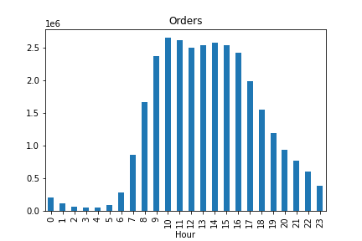
 | HISTOGRAM ORDER_HOUR_OF_DAY

 |  |  |  |  |  |  |  |  |  |  | Business question:
 |  |  |  |  |  |  |  |  |  |  | What is the busiest hour of day?

 |  |  |  |  |  |  |  |  |  |  | Answer:
 |  |  |  |  |  |  |  |  |  |  | The busiest hours is between 10-16. Between 07-09 and 17-22 is it regularly busy and hours between 23-06 it´s less busy.

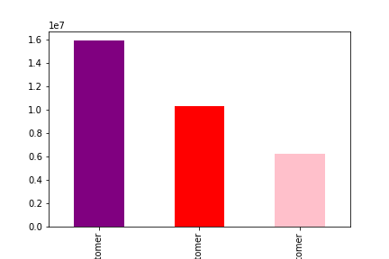
 | BAR LOYALTY_FLAG

 |  |  |  |  |  |  |  |  |  |  | Business question:
 |  |  |  |  |  |  |  |  |  |  | What’s the distribution among users in regards to their brand loyalty (i.e., how often do they return to Instacart)?

 |  |  |  |  |  |  |  |  |  |  | Answer:
 |  |  |  |  |  |  |  |  |  |  | The Loyalty bar chart shows that almost 1,6 million customers are "regular customer", 1 million are Loyal customers and 0,6 millions are new customers

 |  | Regular customer |  |  |  | Loyal customer |  |  | New customer
 |  | 10-40 orders |  |  |  | >40 orders |  |  | <10 orders

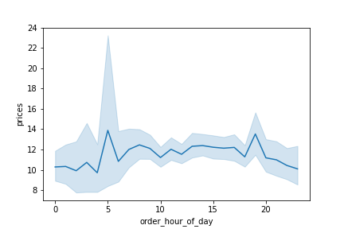
 | LINE CHART ORDER_HOUR_OF_DAY & PRICES

 |  |  |  |  |  |  |  |  |  |  | Business question:
 |  |  |  |  |  |  |  |  |  |  | Are there particular times of the day when people spend the most money, as this might inform the type of products they advertise at these times.

 |  |  |  |  |  |  |  |  |  |  | Answer:
 |  |  |  |  |  |  |  |  |  |  | Around 05 am there is a peak regardning prices. My quess is that customers are ordering something urgent (regardning the early hour) and then the price doesn´t matter.
 |  |  |  |  |  |  |  |  |  |  | There is also a peak around 19 in the evening, this is probably caused by spontaneous purchases (like unplanned dinners).

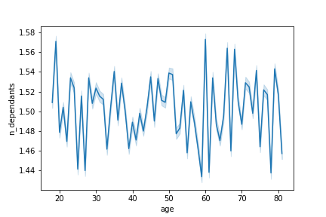
 | LINE CHART AGE/NUMBER OF DEPENDANTS

 |  |  |  |  |  |  |  |  |  |  | Business question:
 |  |  |  |  |  |  |  |  |  |  | Determine whether there’s a connection between age and family status by creating a line chart exploring the connections between age and number of dependents.

 |  |  |  |  |  |  |  |  |  |  | Answer:
 |  |  |  |  |  |  |  |  |  |  | There not seams to be some special connections between number of dependants and age. It goes up and down.
 |  |  |  |  |  |  |  |  |  |  | A little bit more number of dependants for the older customers (except for 19-20 years old).

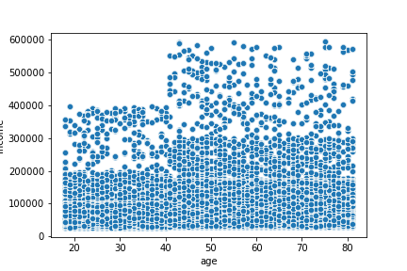
 | SCATTERPLOT AGE/INCOME

 |  |  |  |  |  |  |  |  |  |  | Business question:
 |  |  |  |  |  |  |  |  |  |  | Explore whether there’s a connection between age and spending power. To visualize this relationship, create a scatterplot using the sns.scatterplot() function.

 |  |  |  |  |  |  |  |  |  |  | Answer:
 |  |  |  |  |  |  |  |  |  |  | There are more spending power above the age of 40.

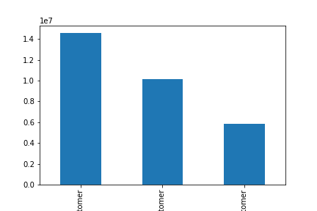
 | BAR AGE_GROUP

 |  |  |  |  |  |  |  |  |  |  | Business question:
 |  |  |  |  |  |  |  |  |  |  | The marketing and business strategy units at Instacart want to create more-relevant marketing strategies for different products and are, thus, curious about customer profiling in their database.
 |  |  |  |  |  |  |  |  |  |  | Create a profiling variable based on age, income, certain goods in the “department_id” column, and number of dependents.

 |  |  |  |  |  |  |  |  |  |  | Answer:
 |  |  |  |  |  |  |  |  |  |  | The bar chart shows that Middle-aged customers are representing more than 1,4 million of the customer stock. Older customer is around 1 million and young customers 0,6 millions.

 | Middle aged customer |  |  |  | Older customer |  |  |  | Young customer
 | 30-59 years |  |  |  | >60 years |  |  |  | 18-29 years

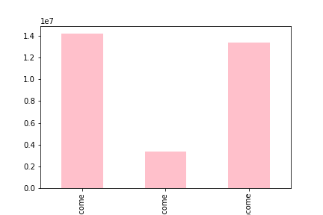
 | BAR INCOME_STATUS

 |  |  |  |  |  |  |  |  |  |  | Business question:
 |  |  |  |  |  |  |  |  |  |  | The marketing and business strategy units at Instacart want to create more-relevant marketing strategies for different products and are, thus, curious about customer profiling in their database.
 |  |  |  |  |  |  |  |  |  |  | Create a profiling variable based on age, income, certain goods in the “department_id” column, and number of dependents.

 |  |  |  |  |  |  |  |  |  |  | Answer:
 |  |  |  |  |  |  |  |  |  |  | Around 1,4 million customers has a high income (in Swedish terms). Closed followed by regular income customers which represent a little bit more than 1,3 million customers.
 |  |  |  |  |  |  |  |  |  |  | Low income customers are around 0,35 million.

 | High income customer |  |  |  | Low income customer |  |  |  | Regular income customer
 | > 100 000 dollars/year |  |  |  | 0-49 900 dollars/year |  |  |  | 50 000 - 99 900 dollars/year

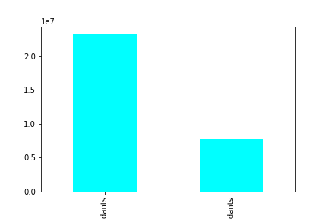
 | BAR NUMBER OF DEPENDANTS_STATUS

 |  |  |  |  |  |  |  |  |  |  | Business question:
 |  |  |  |  |  |  |  |  |  |  | The marketing and business strategy units at Instacart want to create more-relevant marketing strategies for different products and are, thus, curious about customer profiling in their database.
 |  |  |  |  |  |  |  |  |  |  | Create a profiling variable based on age, income, certain goods in the “department_id” column, and number of dependents.

 |  |  |  |  |  |  |  |  |  |  | Answer:
 |  |  |  |  |  |  |  |  |  |  | 75% of the customers have one or more dependants. One quarter of the customer stock has no dependants.

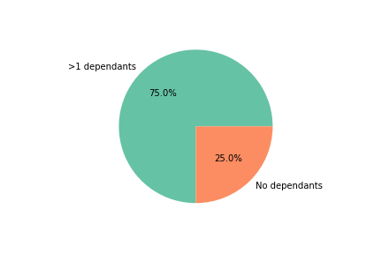
 |  | 1 or more dependants |  |  |  |  |  | No dependants

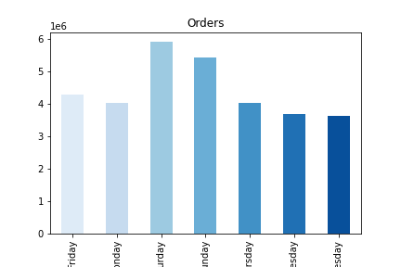
 | BAR ORDER_DAY_OF_WEEK

 |  |  |  |  |  |  |  |  |  |  | Business question:
 |  |  |  |  |  |  |  |  |  |  | Which is the busiest day of week?

 |  |  |  |  |  |  |  |  |  |  | Answer:
 |  |  |  |  |  |  |  |  |  |  | The busiest day of week is Saturdays. Followed by Sundays.

 | Friday |  | Monday | Saturday |  | Sunday | Thursday |  | Tuesday | Wednesday

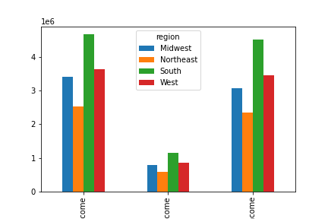
 | BAR INCOME/REGION

 |  |  |  |  |  |  |  |  |  |  | Business question:
 |  |  |  |  |  |  |  |  |  |  | The marketing and business strategy units at Instacart want to create more-relevant marketing strategies for different products and are, thus, curious about customer profiling in their database.
 |  |  |  |  |  |  |  |  |  |  | Create a profiling variable based on age, income, certain goods in the “department_id” column, and number of dependents.

 |  |  |  |  |  |  |  |  |  |  | Answer:
 |  |  |  |  |  |  |  |  |  |  | This bar chart shows that the South region has the most high- regular- and low income customers. Not that strange, since the South region represent almost 40% of the entire population in USA.

 |  | high income |  |  |  | low income |  |  | regular income

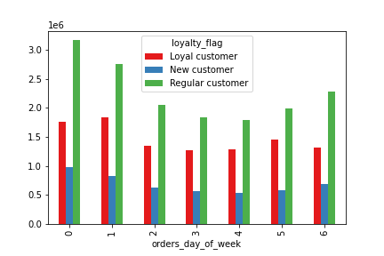
 | BAR LOYALTY FLAG / ORDER DAY OF WEEK

 |  |  |  |  |  |  |  |  |  |  | Business question:
 |  |  |  |  |  |  |  |  |  |  | ‣ Are there differences in ordering habits based on a customer’s loyalty status?

 |  |  |  |  |  |  |  |  |  |  | Answer:
 |  |  |  |  |  |  |  |  |  |  | There is no different in the pattern except ONE thing; Loyal customer place the most orders on Sundays, while the rest of the customer stock place the most orders on Saturdays.

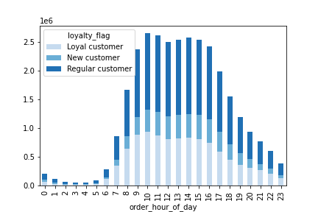
 | STACKED BAR LOYALTY FLAG / ORDER HOUR OF DAY

 |  |  |  |  |  |  |  |  |  |  | Business question:
 |  |  |  |  |  |  |  |  |  |  | ‣ Are there differences in ordering habits based on a customer’s loyalty status?

 |  |  |  |  |  |  |  |  |  |  | Answer:
 |  |  |  |  |  |  |  |  |  |  | Loyal customer place their most orders at 10 am, new customer at 15 and regular customer at 11 a´clock.

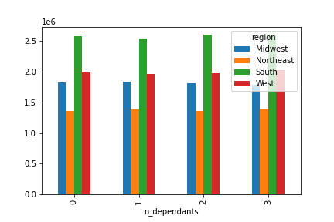
 | BAR NUMBER OF DEPENDANTS / REGION

 |  |  |  |  |  |  |  |  |  |  | Business question:
 |  |  |  |  |  |  |  |  |  |  | The marketing and business strategy units at Instacart want to create more-relevant marketing strategies for different products and are, thus, curious about customer profiling in their database.
 |  |  |  |  |  |  |  |  |  |  | Create a profiling variable based on age, income, certain goods in the “department_id” column, and number of dependents.

 |  |  |  |  |  |  |  |  |  |  | Answer:
 |  |  |  |  |  |  |  |  |  |  | This bar chart shows that number of dependants among customers are exactly the same in all regions.

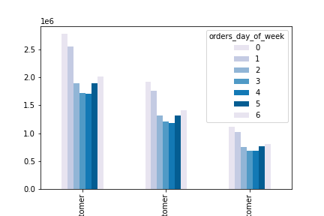
 | BAR AGE GROUP / ORDERS DAY OF WEEK

 |  |  |  |  |  |  |  |  |  |  | Business question:
 |  |  |  |  |  |  |  |  |  |  | The marketing and business strategy units at Instacart want to create more-relevant marketing strategies for different products and are, thus, curious about customer profiling in their database.
 |  |  |  |  |  |  |  |  |  |  | Create a profiling variable based on age, income, certain goods in the “department_id” column, and number of dependents.

 |  |  |  |  |  |  |  |  |  |  | Answer:
 |  |  |  |  |  |  |  |  |  |  | This bar chart shows the same pattern regarding day of week in every age group.

 | middle-aged customer |  |  |  | older customer |  |  |  | young customer

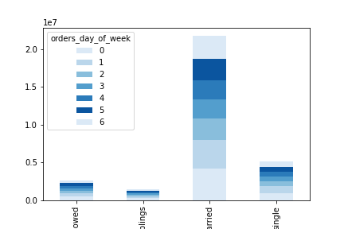
 | BAR FAMILY / ORDERS DAY OF WEEK

 |  |  |  |  |  |  |  |  |  |  | Business question:
 |  |  |  |  |  |  |  |  |  |  | The marketing and business strategy units at Instacart want to create more-relevant marketing strategies for different products and are, thus, curious about customer profiling in their database.
 |  |  |  |  |  |  |  |  |  |  | Create a profiling variable based on age, income, certain goods in the “department_id” column, and number of dependents.

 |  |  |  |  |  |  |  |  |  |  | Answer:
 |  |  |  |  |  |  |  |  |  |  | This bar chart shows the same pattern regarding day of week in every age group.

7. Recommendations
Instacart |  |  | Title page

Recommendations

In this tab you should include any recommendations you would made to Instcart in terms of their marketing strategy based on the questions posed in the brief. Every key question has been covered in the Tasks of the Exercises - here you need to add an item - a visualisation or table/crosstable that is showing the answer in the data, acompanied by a comment from you. Please, list the questions below and add the answer underneath.

Question
● The sales team needs to know what the busiest days of the week and hours of the day are
(i.e., the days and times with the most orders) in order to schedule ads at times when there are fewer orders.

Friday Monday Saturday Sunday Thursday Wednesday Tuesday

Answer
The busiest day of week is Saturdays and Sundays.

Answer
The busiest hours of day is between 9-16.

Question
● They also want to know whether there are particular times of the day when people spend the most money,
as this might inform the type of products they advertise at these times.

Answer
The time of day when people spend the most money is 05 am and around 19 in the evening.
Recommendation
I recommend Instacart to take a deeper look what kind of products customer are buying this time of day.
I guess that 05 in the morning represent unplanned and emergency goods when price doesn´t matter.

Question
● Instacart has a lot of products with different price tags. Marketing and sales want to use
simpler price range groupings to help direct their efforts.
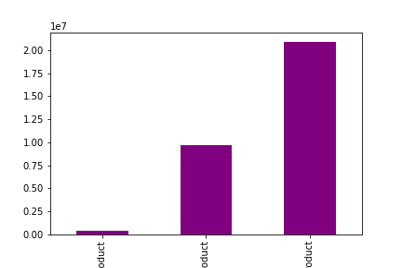

High range product Low range product Middle range product
>15 dollars <= 5 dollars 5-15 dollars

Answer
The high range products are very low comparing to the other price ranges.
Recommendation
I recommend Instacart to discover how they can sell more of the high rang products.
But it´s a fine line, a grocery store will always make the most money on quantity and for that they need attractive prices.

Question
● Are there certain types of products that are more popular than others? The marketing
and sales teams want to know which departments have the highest frequency of product
orders.
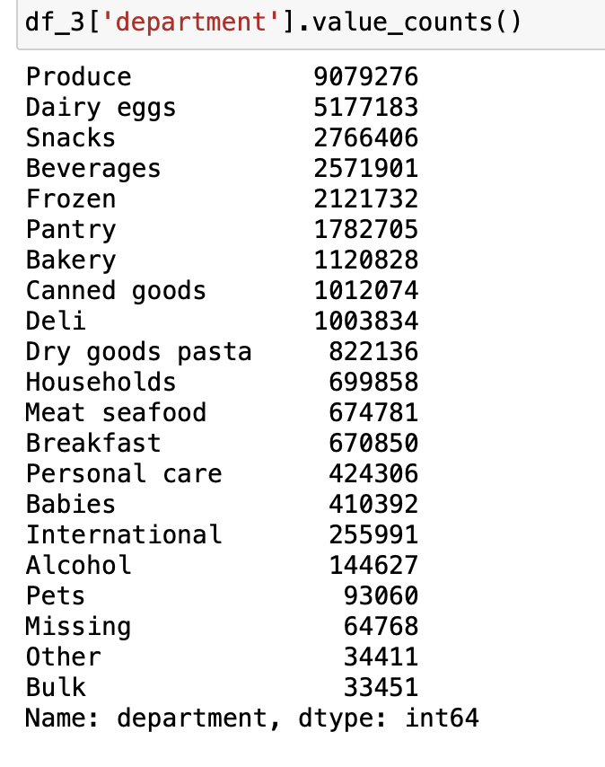

Answer
The Produce department have the highest frequency of product orders.

Question
● The marketing and sales teams are particularly interested in the different types of
customers in their system and how their ordering behaviors differ. For example:
‣ What’s the distribution among users in regards to their brand loyalty (i.e., how
often do they return to Instacart)?

Regular customer | Loyal customer | New customer
10-40 orders | >40 orders | <10 orders

Answer
Most of the customers are Regular customer which have placed 10-40 orders.
Orders above 40 is Loyal customers and less than 10 orders are either new or rare customers.

Question
‣ Are there differences in ordering habits based on a customer’s loyalty status?

Answer
Yes there is one difference; Loyal customer place the most orders on Sunday´s instead of the other customers who place
the most orders on Saturdays.

Question
‣ Are there differences in ordering habits based on a customer’s region?
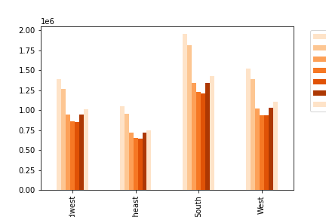

Answer
The ordering pattern during days of the week is the same in every region.

high income low income regular income

Answer
The income pattern between the regions are also the same.

Question
‣ Is there a connection between age and family status in terms of ordering habits?

middle aged customer older customer young customer

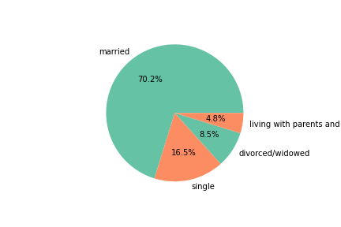

Answer
70% of the customers are married, 16,5 % is single and 8,5 % divorced/widowed and 4,8% is living with parents and siblings.
There are no obvious connection between age and family status in terms of ordering habits.

SUMMARY (profiling middle aged customer):
Saturday is the most common day for ordering at Instacart
The most common time at day to order is 10 am
The most ordered items is in the category "Produce", 29% of total purchased items for a middle-aged customer is in category "Produce".
75% of the middle-aged customers has >1 dependants.
45,5 % of the middle-aged customers has a high-income
43,5 % of the middle-aged customers has a regular income and 11 % of the middle-aged customers has a low income.

